Linear Regression
Assignment P.316,LinearRegression

Step 1
Review the Formula for Pearson's Correlation Coefficient and an Example Table of Hours of Sleep vs. Test Scores:
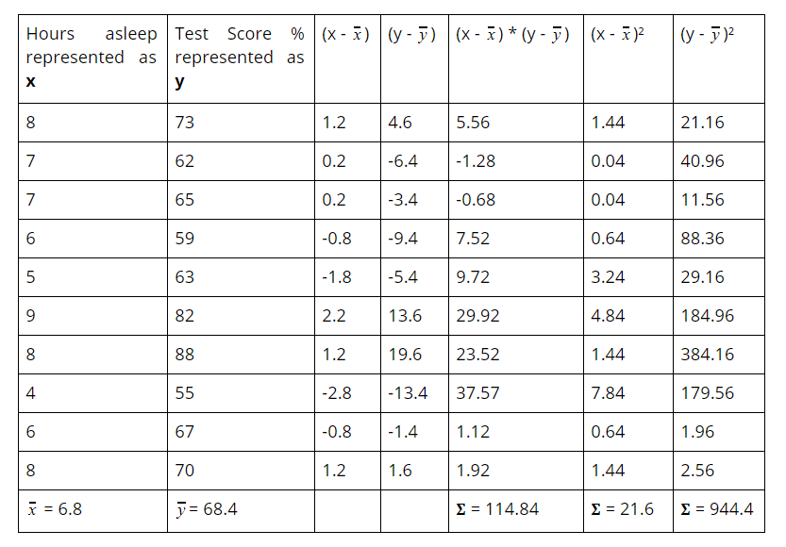
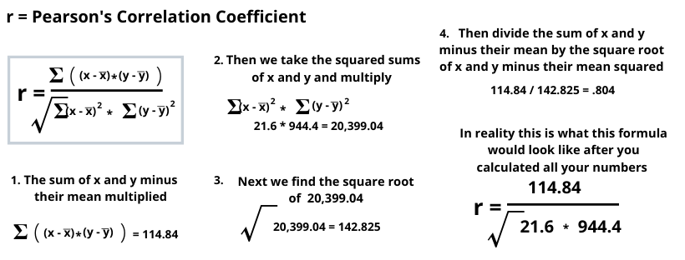

Step 2
Take the data given for the Minutes Running fo the Week vs. Weight by Week and make a table similar to Step 1:
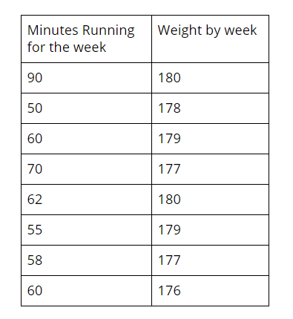
 |  |  |  | Min. Running for the Wk. | Wt. by Wk. | (x-xbar) | (y-ybar) | (x-xbar*y-ybar) | (x-xbar sqd) | (y-ybar sqd)
 |  |  |  | 90 | 180 | 26.875 | 1.75 | 47.03125 | 722.265625 | 3.0625
 |  |  |  | 50 | 178 | -13.125 | -0.25 | 3.28125 | 172.265625 | 0.0625
 |  |  |  | 60 | 179 | -3.125 | 0.75 | -2.34375 | 9.765625 | 0.5625
 |  |  |  | 70 | 177 | 6.875 | -1.25 | -8.59375 | 47.265625 | 1.5625
 |  |  |  | 62 | 180 | -1.125 | 1.75 | -1.96875 | 1.265625 | 3.0625
 |  |  |  | 55 | 179 | -8.125 | 0.75 | -6.09375 | 66.015625 | 0.5625
 |  |  |  | 58 | 177 | -5.125 | -1.25 | 6.40625 | 26.265625 | 1.5625
 |  |  |  | 60 | 176 | -3.125 | -2.25 | 7.03125 | 9.765625 | 5.0625
 |  |  |  | 63.125 | 178.25 |  |  | 44.75 | 1054.875 | 15.5
 |  |  |  | Mean = 63.125 | Mean = 178.25 |  |  | Sum = 44.75 | Sum = 1054.875 | Sum = 15.5

Step 3
Use the results from Step 2 and plug them into Pearson's Correlation Coeffiecient from Step 1:

 | r = Pearson's Correlation Coefficient:

 | r = sum[(x-xbar*y-ybar)]
 | sqrt[sum(x-xbar sqd)*sum(y-ybar sqd)]

 | r = 44.75
 | sqrt(1054.875*15.5) |  | = | 16350.5625 | 127.86931806

 | r = 0.35

Step 4 | Take the data given for the Minutes Running for the Week vs. Weight by Week and make a scatter plot:

 | slope = | 0.0424
 | y-intercept = | 175.57

Minutes Running for the Week vs. Weight by Week

